NuORDER

COLECCIÓN CALZADO ESCOLAR MAUI AND SONS 2026 - RIDE YOUR LIFE
 |  |  |  |  |  |  |  | 0 |  |  | $-

 | Cod Articulo |  | Descripción | Gender | Pack | Tallas | Curva | ORDER | WS | PVP | TOTAL | PA02 | PA03 | PA04 | TOTAL
MUJER
 | 5CE109-WC | NM | Pack Zapatillas 5ce109-wc liso black | MUJER | 12 | 35-36-37-38-39-40 | 1-2-3-3-2-1 |  | $21,090 | $37,990 | $- |  | 12/FACT 251899 |  | 0
 | 5CE110-WC | NM | Pack Zapatillas 5ce110-wc liso black | MUJER | 12 | 35-36-37-38-39-40 | 1-2-3-3-2-1 |  | $21,090 | $37,990 | $- |  | 12/FACT 252093 |  | 0
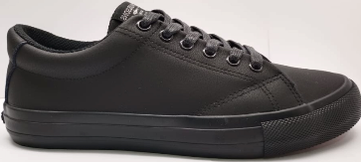 | 1000305342 | 3 | Pack Zapatillas 5CE167-WC Liso Black | MUJER | 12 | 35-36-37-38-39-40 | 1-2-3-3-2-1 |  | $21,090 | $37,990 | $- |  |  |  | 0
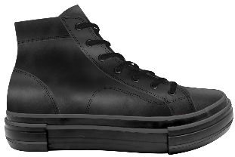 | 1000305335 | 6 | Pack Zapatillas 5CE117-WC Liso Black | MUJER | 12 | 35-36-37-38-39-40 | 1-2-3-3-2-1 |  | $22,190 | $39,990 | $- |  |  |  | 0
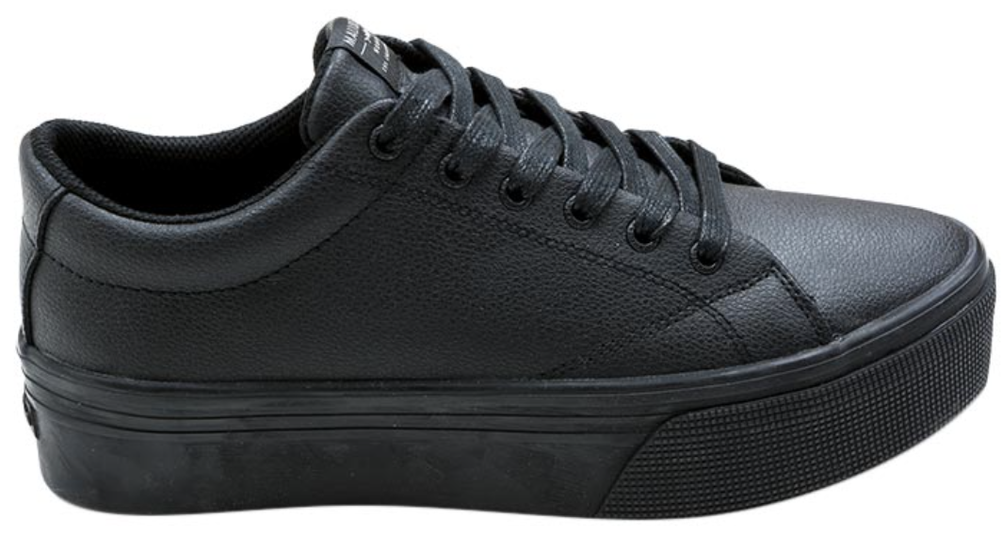 | 1000305328 | 1 | Pack Zapatillas 5CE118-WC Liso Black | MUJER | 12 | 35-36-37-38-39-40 | 1-2-3-3-2-1 |  | $21,090 | $37,990 | $- | 12/FACT 251899 | 12/FACT 251899 | 24/FACT 251899 | 0
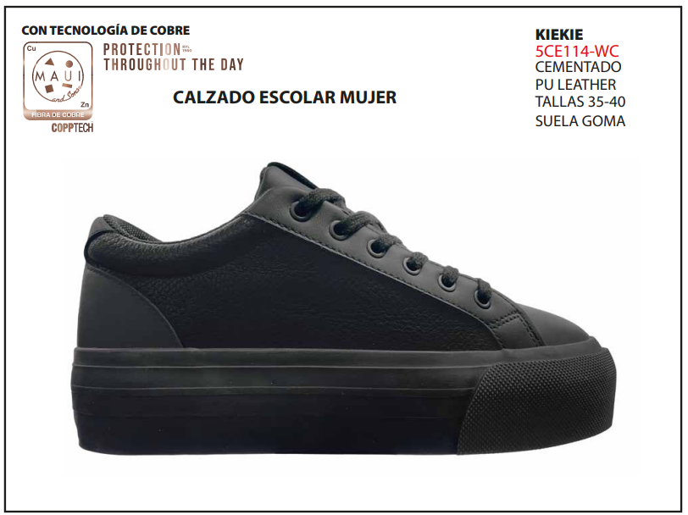 | 5CE114-WC | NM | Pack Zapatillas 5ce114-wc liso black | MUJER | 12 | 35-36-37-38-39-40 | 1-2-3-3-2-1 |  | $21,090 | $37,990 | $- |  |  | 12/FACT 251899 | 0
HOMBRE |  |  |  |  |  |  |  |  |  |  |  |  |  |  | 0
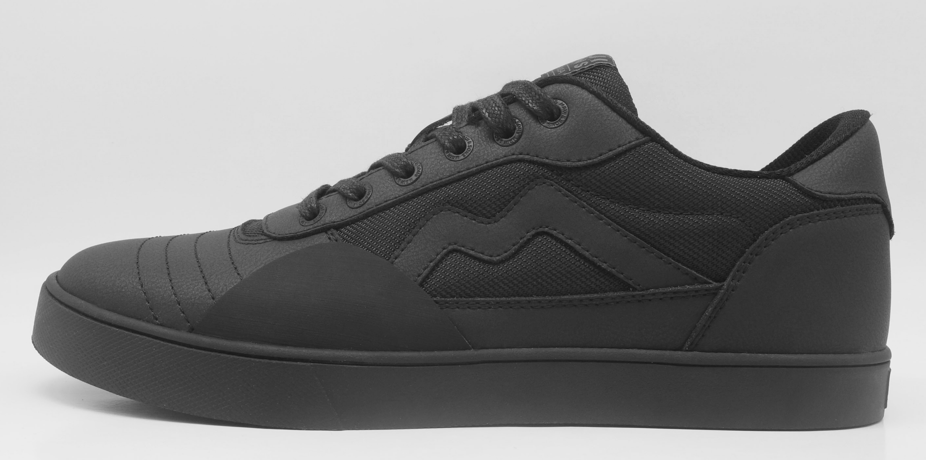 | 1000305384 | 2 | Pack Zapatillas 5CE108-MC Liso Black | HOMBRE | 14 | 39-40-41-42-43-44 | 2-3-3-3-2-1 |  | $21,090 | $37,990 | $- |  | 14/FACT 251899 |  | 0
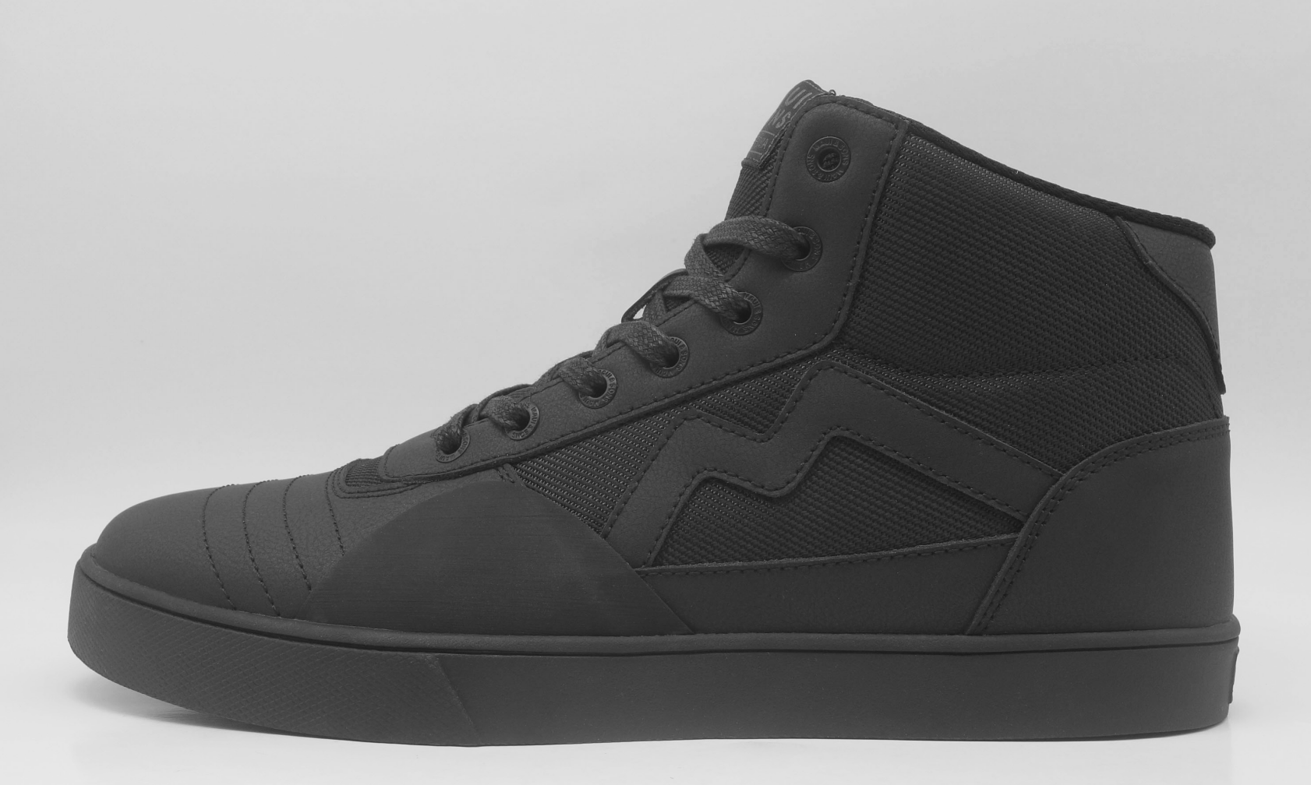 | 1000305377 | 3 | Pack Zapatillas 5CE109-MC Liso Black | HOMBRE | 14 | 39-40-41-42-43-44 | 2-3-3-3-2-1 |  | $22,190 | $39,990 | $- |  | 14/FACT 251899 | 14/FACT 251899 | 0
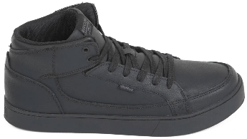 | 1000305268 | 5 | Pack Zapatillas 5CE155-MC Liso Black | HOMBRE | 14 | 39-40-41-42-43-44 | 2-3-3-3-2-1 |  | $22,190 | $39,990 | $- | 28/FACT 251899 | 28/FACT 251899 | 28/FACT 251899 | 0
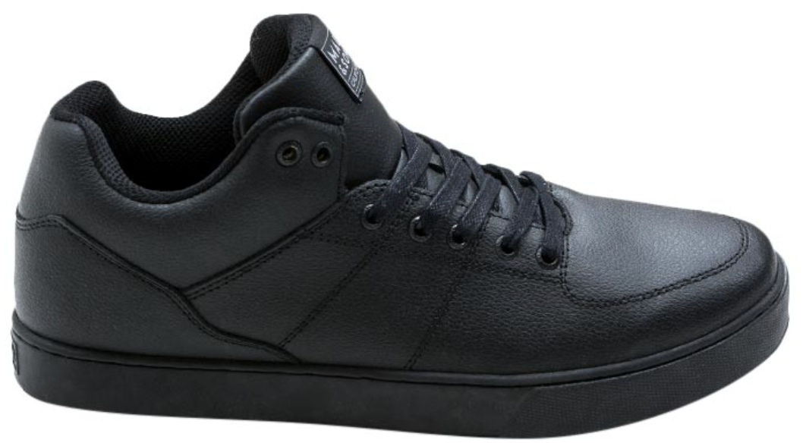 | 1000305370 | 7 | Pack Zapatillas 5CE154-MC Liso Black | HOMBRE | 14 | 39-40-41-42-43-44 | 2-3-3-3-2-1 |  | $22,190 | $39,990 | $- | 14/FACT 251899 | 14/FACT 251899 |  | 0
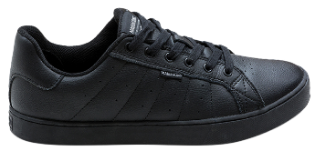 | 1000305275 | 6 | Pack Zapatillas 5CE156-MC Liso Black | HOMBRE | 14 | 39-40-41-42-43-44 | 2-3-3-3-2-1 |  | $21,090 | $37,990 | $- | 28/FACT 252093 | 28/FACT 252093 | 28/FACT 252093 | 0
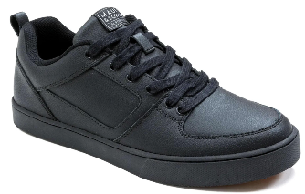 | 1000305282 | 1 | Pack Zapatillas 5CE158-MC Liso Black | HOMBRE | 14 | 39-40-41-42-43-44 | 2-3-3-3-2-1 |  | $21,090 | $37,990 | $- | 28/FACT 251899 | 14/FACT 251899 | 28/FACT 251899 | 0
 | 5CE104-MC | NM | Pack Zapatillas 5ce104-mc liso black | HOMBRE | 14 | 39-40-41-42-43-44 | 2-3-3-3-2-1 |  | $21,090 | $37,990 | $- |  |  | 14 | 14
 | 5CE105-MC | NM | Pack Zapatillas 5ce105-mc liso black | HOMBRE | 14 | 39-40-41-42-43-44 | 2-3-3-3-2-1 |  | $21,090 | $37,990 | $- |  |  |  | 0
JUVENIL |  |  |  |  |  |  |  |  |  |  |  |  |  |  | 0
 | 1000305396 | 4 | Pack Zapatillas 5CE110-MC Liso Black | JUVENIL | 10 | 35-36-37-38 | 2-2-3-3 |  | $18,890 | $33,990 | $- |  | 10/FACT 251899 |  | 0
 | 1000305391 | 5 | Pack Zapatillas 5CE111-MC Liso Black | JUVENIL | 10 | 35-36-37-38 | 2-2-3-3 |  | $19,990 | $35,990 | $- |  | 10/FACT 251899 |  | 0
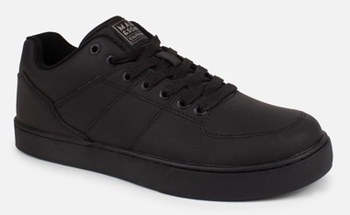 | 1000305401 | 3 | Pack Zapatillas 5CE117-MC Liso Black | JUVENIL | 10 | 35-36-37-38 | 2-2-3-3 |  | $19,990 | $35,990 | $- |  | 10/FACT 251899 |  | 0
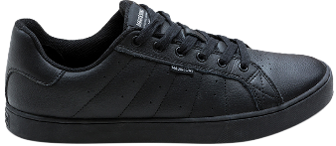 | 1000305304 | 7 | Pack Zapatillas 5CE177-MC Liso Black | JUVENIL | 10 | 35-36-37-38 | 2-2-3-3 |  | $18,890 | $33,990 | $- | 20/FACT 251899 | 20/FACT 251899 | 20/FACT 251899 | 0
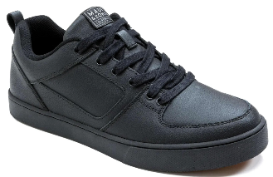 | 1000305309 | 2 | Pack Zapatillas 5CE178-MC Liso Black | JUVENIL | 10 | 35-36-37-38 | 2-2-3-3 |  | $18,890 | $33,990 | $- | 10/FACT 252093 | 10/FACT 252093 | 20/FACT 252093 | 0
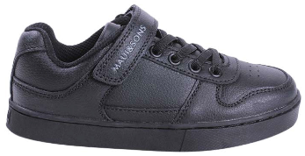 | 1000305289 | 6 | Pack Zapatillas 5CE118-MC Liso Black | JUVENIL | 10 | 35-36-37-38 | 2-2-3-3 |  | $18,890 | $33,990 | $- | 10/FACT 252093 | 10/FACT 252093 |  | 0
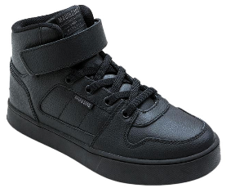 | 1000305299 | 1 | Pack Zapatillas 5CE176-MC Liso Black | JUVENIL | 10 | 35-36-37-38 | 2-2-3-3 |  | $19,990 | $35,990 | $- | 30/FACT 252093 | 20/FACT 252093 | 20/FACT 252093 | 0
KIDS |  |  |  |  |  |  |  |  |  |  |  |  |  |  | 0
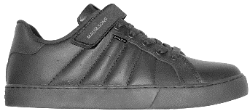 | 1000305406 | 4 | Pack Zapatillas 5CE120-KC Liso Black | KIDS | 10 | 29-30-31-32-33-34 | 1-1-1-2-2-3 |  | $16,690 | $29,990 | $- | 20/FACT 252093 | 20/FACT 252093 |  | 0
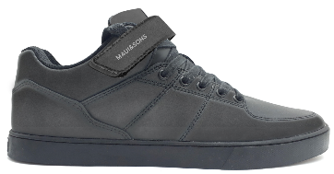 | 1000305413 | 3 | Pack Zapatillas 5CE121-KC Liso Black | KIDS | 10 | 29-30-31-32-33-34 | 1-1-1-2-2-3 |  | $18,290 | $32,990 | $- | 20/FACT 251899 | 20/FACT 251899 | 20/FACT 251899 | 0
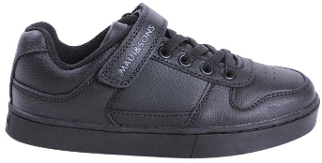 | 1000305420 | 2 | Pack Zapatillas 5CE170-KC Liso Black | KIDS | 10 | 29-30-31-32-33-34 | 1-1-1-2-2-3 |  | $16,690 | $29,990 | $- | 20/FACT 251899 | 20/FACT 251899 | 10/FACT 251899 | 0
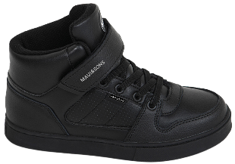 | 1000305427 | 1 | Pack Zapatillas 5CE173-KC Liso Black | KIDS | 10 | 29-30-31-32-33-34 | 1-1-1-2-2-3 |  | $18,290 | $32,990 | $- | 20/FACT 251899 | 20/FACT 251899 | 30/FACT 251899 | 0
 |  |  |  |  |  |  |  |  |  |  |  | 0 | 0 | 14 | 14

 | ,

